AUDITOR GENERAL'S REPORT
AUDITOR-GENERAL'S REPORT ON KOGI STATE COVID - 19 RESPONSE FOR THE FIRST QUARTER ENDED 31 MARCH 2021.
Kogi State is eligible to receive performance-based grant financing from the Federal Government subject to performance against predefined criteria in the World Bank Assisted States Fiscal Transparency, Accountability and Sustainability Program to provide fiscal relief to States in response to COVID-19.
The budget execution reports of the Government of Kogi State of Nigeria for the quarter ended 31 March 2021 on the COVID-related funds had been submitted to me.
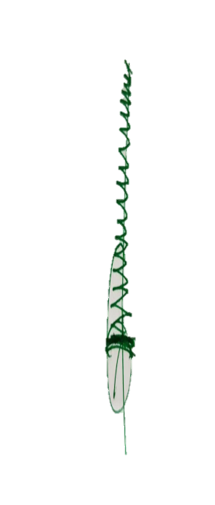
The report has been audited by me in accordance with Section 125 Subsection 5 of the Constitution of the Federal Republic of Nigeria 1999 (as amended)
During the audit, I performed financial and compliance audit in accordance with International Standards on Auditing (ISAs) and International Standards of Supreme Audit Institutions (“ISSAIs”).
I have obtained information and explanation that to the best of my knowledge was relevant and necessary for the purposes of the audit. This audit has provided me with reasonable evidence and assurances which formed the basis for my independent opinion.
In my opinion, the COVID-19 budget implementation by Kogi State, presents fairly in all material respects, expenditures incurred and funds received against the COVID-19 recovery Program by the State for the quarter ended 31 March 2021 and in line with International Public Sector Accounting Standards(IPSAS) and the applicable laws and regulations.

Alh. Yakubu Okala
Kogi State Auditor General

